Issue approve
Module Name : employee_advance_exppense

Issue when approve process
When cash advance request has been approved by approver (in case is budi), system send two notification to employee. | This is cash advance request data.
Shuld be only one.
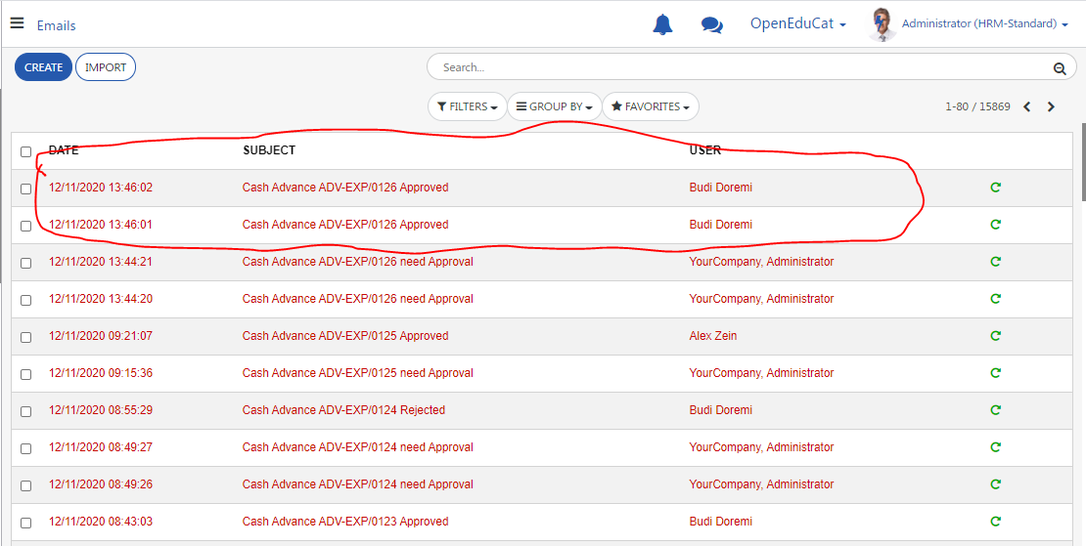
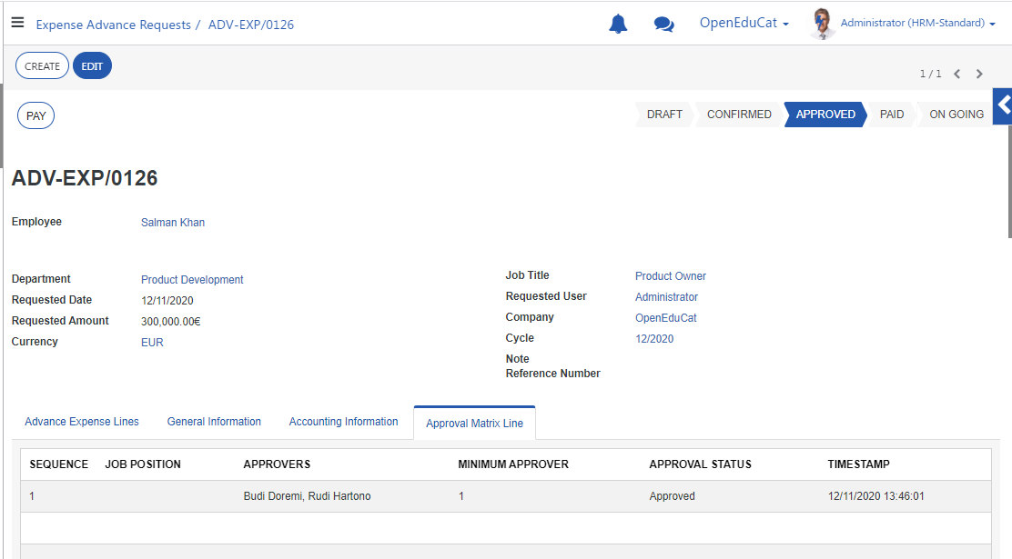

System send notification from budi and rudi although only budi did the approval.
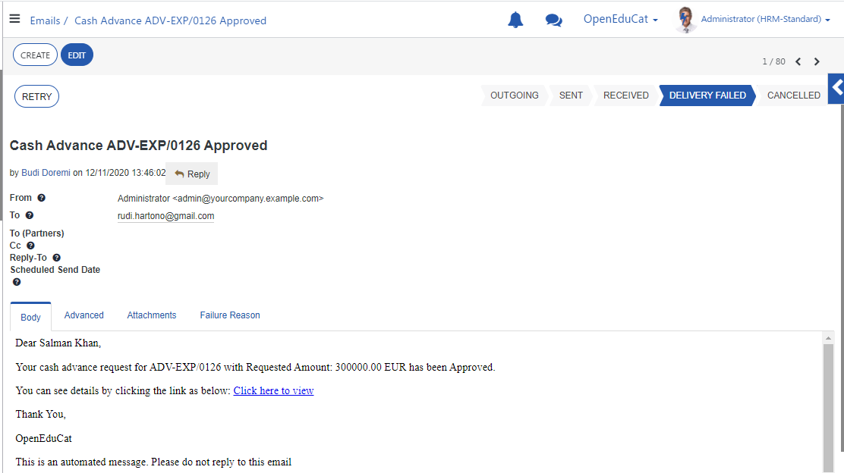

 |  | System should not send notifications from rudi
 |  | because rudi does not approve this cash advance

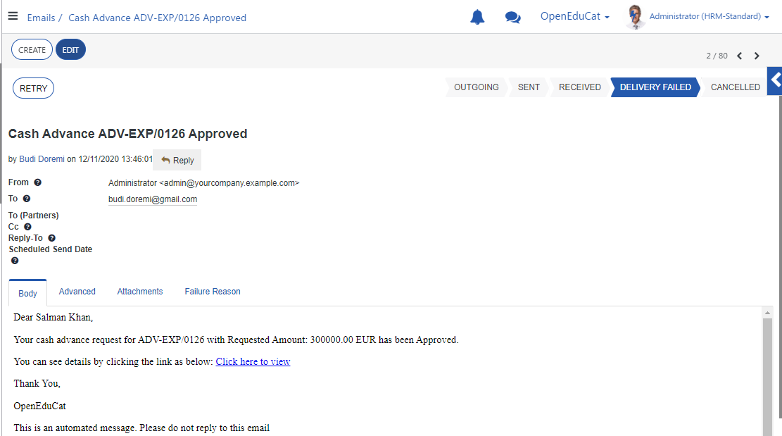

 | "Email to" is wrong, should be this is work email from employee (salman khan)

 |  | should decimal format = 300,000.00 EUR

Issue approve multilevel
Case: | I have cash advance request with two levels approval matrix line
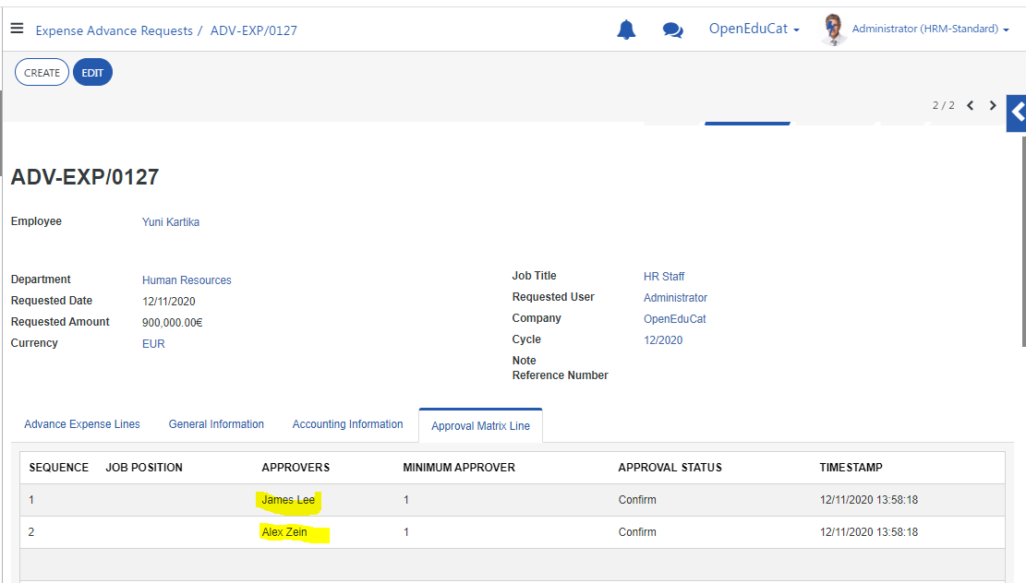

 | System send a notification to 1st approver level (james lee) after creator clicked "confirm" button
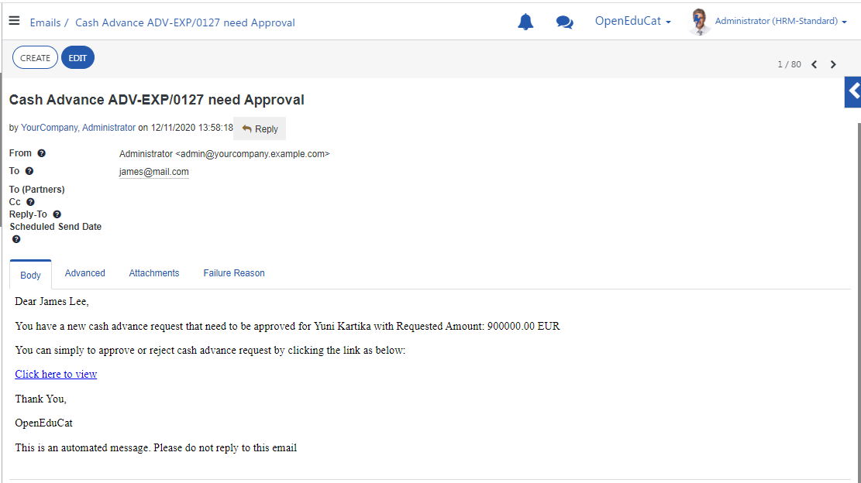

Issue: | When cash advance request has been approved by 1st approver (james lee), last approver (alex zein) didn't get email notification

 | System should send notification to alex zein (last approver) after james lee clicked "approve" button like as below:
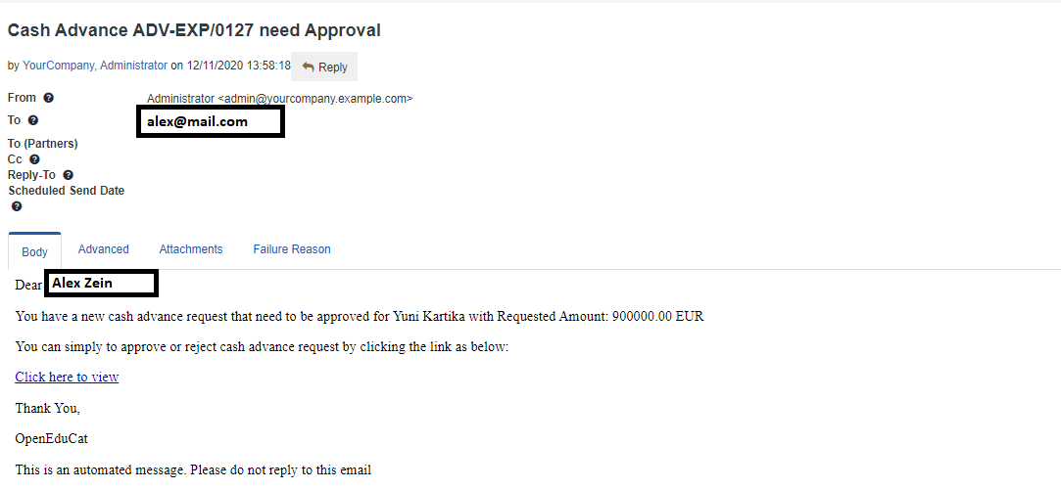

 |  | should decimal format = 900,000.00 EUR

